Sheet 1
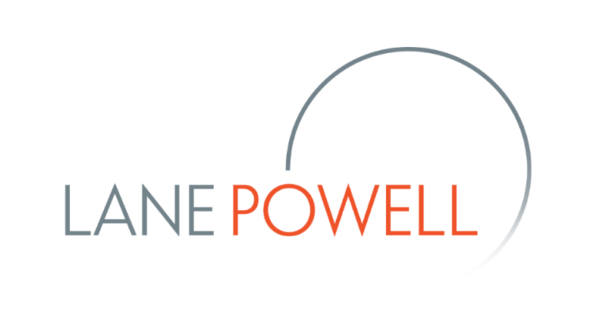
1 | Payroll Protection Program ("PPP") Loan Calculations (Not for Sole Proprietors or Independent Contractors) |  |  | DRAFT – April 20, 2020
2 |  | Trailing 12 Months Or 2019 | Running Total
3 | Aggregate payroll costs (Step 1 of SBA Rule) |  | $-
4 | Compensation paid to an individual employee in excess of an annual salary of $100,000 that was included in line 3 (Step 2 of SBA Rule)* | $- | $-
This spreadsheet provides an initial calculation of the amount of PPP Loan for which you may be eligible and the amount that can be forgiven. The spreadsheet has been updated to incorporate the interim final rule published by the SBA.
Insert the applicable amount in the blue and green highlighted cells and the spreadsheet will calculate the rest.
However, normal caveats apply: user beware and you should double check the calculations with any of the authors listed below or your bank.
Eric Kodesch kodesche@lanepowell.com 503.778.2107
Lewis M. Horowitz
horowitzl@lanepowell.com
206.223.7401
Justin Hobson hobsonj@lanepowell.com 503.778.2136
Gregory Pyle pyleg@lanepowell.com 206.223.7719
Andrew Geppert gepperta@lanepowell.com, 503.778.2116
Pilar C. French frenchp@lanepowell.com 503.778.2170
5 | Compensation paid to employees living outside of the U.S. (incorporated in amount in Step 1 of SBA Rule) | $- | $-
6 | Payroll Cost** | $-
7 | Monthly Payroll Cost (Step 3 of SBA Rule) | $-
8 | 2.5 x monthly payroll cost (Step 4 of SBA Rule) | $-
9 | Outstanding amount of an (EIDL) made between January 31, 2020 and April 3, 2020, less the amount of any EIDL grant (Step 5 of SBA Rule) | $-
10 | Cap on PPP loan | $10,000,000
11 | PPP Loan | $- | #DIV/0!
12
13
14 | Calculation of Forgivable Portion of PPP Loan (SBA Will Provide More Guidance)
15 |  | 8-Week Period From Receiving PPP Loan | Running Total
16 | Payroll Costs |  | $-
17 | Cash compensation of an individual employee in excess of an annual salary of $100,000 that was included in line 20* | $- | $-
18 | Payroll Costs** | $- | $-
19 | Mortgage interest paid | $- | $-
20 | Rent paid | $- | $-
21 | Utilities paid | $- | $-
22 | Total eligible for forgiveness under Section 1102(b)** * | $- | $-
23 | SBA Rule 2.o limit on non-payroll costs | $- | $-
24 | Reduction in forviable amount because of SBA Rule 2.o limit | $- | $-
25 | Reduction based on decrease in employees (fill out calculations in line 33-43 below)**** | $- | $-
26 | Reduction based on decrease in salary (insert the sum of the line 49 amounts for each applicable employee)**** | $- | $-
27 | Reduction for EIDL grant/advance of up to $10,000 | $- | $-
28 | Total amount that can be forgiven | $-
29 | PPP Loan | $-
30 | Amount forgiven | $-
31 | Remaining PPP loan payable @ 1% over 2 years | $-
32
33 | Average number of full-time equivalent ("FTE") employees per month in 8-week period | -
34 | Average number of FTE employees per month from February 15, 2019 to June 30, 2019 | -
35 | Average number of FTE employees per month from January 1, 2020 to February 29, 2020***** | -
36 | Section 1106(d)(2) percentage | 100.00%
37 | Fill out if the Section 1106(d)(2) percentage (row 36) is less than 100%
38 | Full time equivalent employees on February 15, 2020 | -
39 | Full time equivalent employees during the period beginning on February 15, 2020 and ending on April 26, 2020 | -
40 | Reduction in employees | -
41 | Full time equivalent employees on June 30, 2020 | -
42 | Diffierence between full time equivalent employees on February 15, 2020 and June 30, 2020 | -
43 | Qualification for Re-Hire Exemption (1 = Yes and 0 = No). | -
44
45 | Fill out for each employee who (1) worked in the 8-week period and (2) who did not receive, during any single any period during 2019, wages or salary at an annualized rate of pay in an amount more than $100,000
46 | Total salary or wages received in the first quarter of 2020 | $-
47 | 25% of total salary or wages received in the first quarter of 2020 | $-
48 | Amount of salary or wage reduction during the 8-week period | $-
49 | Section 1106(d)(3) reduction amount for the employee | $-
50
51
52 | *In FAQ guidance dated April 7, 2020, SBA confirmed that the $100,000 cap does not apply to employer-provided benefits.
53 | **In a prior version of this spreadsheet, we included calculations related to removing employer share of FICA and income tax witholding. In FAQ guidance dated April 7, 2020, SBA explained that these adjustments were not necessary.
54 | ***We interpret the Section 1102(d)(2) and Section 1102(d)(3) reductions as applying to this amount, before taking into account the Section 1102(d)(1) overall limitation. We acknowledge that this interpretation is not free from doubt. However, we apply these reducitons to the total allowed forgivable costs under the SBA Rule 2.o limitation. This also is not free from doubt.
55 | ****It is unclear how these reductions apply with the 75-25 split imposed by SBA Rule 2.o
56 | *****Enter 0 if you are a seasonal employer

